Citi
2024 SA
citi 1st round group technicals | 10/31 Emily's Superday
1. tell me about a recent citi deal | 1st Interviewer (Experience, Peter Lam)
2. how to get ev from equity value | Self Intro
3. what other additional things are in the equation and why (nols, dta etc) | Canto: why IBD, why not equity research, ask more about background stuff
4. if the company were to be acquired 100% by another company how much would it be (higher than ev bc control premium) | Initiation on the electroplating company, how do you do valuation, investment thesis, comparables and DCF
5. pitch me an industry | How do you compare DCF, EV/EBITDA, PE valuation methodology for this company?
 | What opportunities this company can have (ECM, DCM, M&A)
 | Why M&A for upstream companies, do you have any precedent transactions on it?
 | Why is it a good time for them, and why this opportunity?

 | 2nd Interviewer (Leadership, Sam Sun)
 | Self Intro
 | Why IBD
 | Why Citi
 | What's your biggest strength compared to all your competitors?
 | What if someone in your team is not performing as expected (like in that case), how do you deal with it?
 | Tell me a time your worked in a team and you faced a challenge, how did you deal with it?
 | There's a steep learning curve in investment bank (need to learn about an industry really quickly and also company), what's your methodology in doing that?
 | The work in investment bank is very stressful and demanding, with concurrent demands from supervisors, how do you deal with that?

2025 SA
IBD 1st Round Group Interview - Tech
Beata
搶答/Group Discussion
what kind of companies will receive cash but not yet record it as revenue on the IS, and how would it affect the BS
When to use Gross Revenue vs Net Revenue
synergies during m&a
followup: someone mentioned that cost synergy is easier to quantify, when ur doing synergies evaluation, how would you quantify
pros and cons of dcf, trading comps, precedent transactions, when do u prefer which
given that you have the operating model already, ,and u dont need to do further assumptions, what steps would you take to convert this into an LBO model
followup: someone mentioned about sources and uses, what are some typical items included
what to include in a one-page company profile

Corporate Banking 1st Round Group Interview - Tech
Beata
1. What financial ratios will you take a look when you take a look at the leverage of a company?

l Solvency and liquidity ratios

2. How does the amortizing loan work and how does bullet repayment affect the total interest costs?

3. Affiliate vs subsidiary and how are they reflected differently on FS?

4. Difference between liquidity and solvency?

5. Key diff between cash balance and free cash flow?

6. Factors to consider when extending a loan to clients?

7. How does credit default swaps work, what are some other ways to hedge balance sheet exposure?

8. What considerations for the bank take into account when making a decision on bank loan or bond issuance for the corporates?

9. What can companies use with excess cash?

10. What does negative NWC mean and how to improve WC?

11. What are the three valuation methodologies?

12. What’s the difference between valuing a private and public company?

Why would a company do M&A from a strategic/financial aspect?

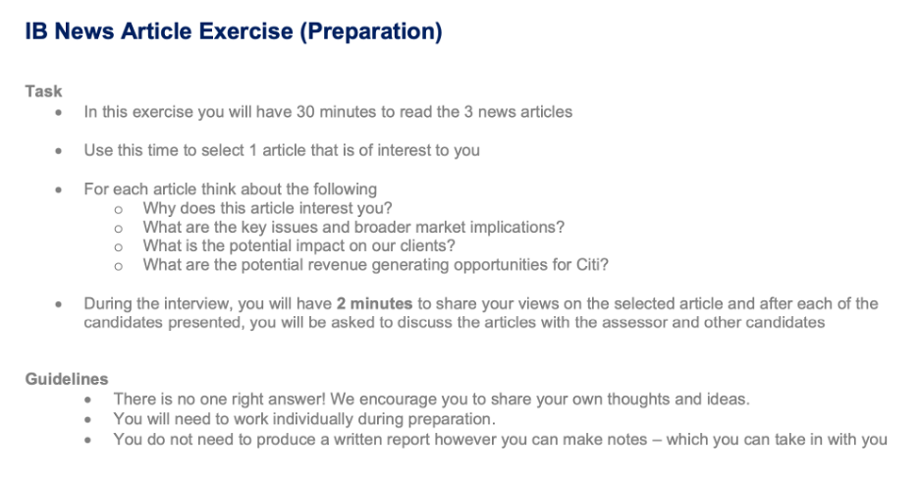
2025
IBD 1st Round Group Interview - Tech
1

2. Language test:
- English writing: write a short paragraph to cope with a situation that may happen in the workplace
- Chinese writing: translate a short English report into Chinese
3. Technical questions:
- Race to be the first to answer
- Questions range from easiest 3-statement questions to LBO model, widely covered but not so deep
- Don’t be aggressive, I personally answered 3 to 4 questions, and didn’t answer the most difficult LBO question, but still got into the 2nd round interview

2nd round: individual interview
- CV questions: all about your experience, detailed to modeling
- As most of the technical Qs are covered by the 1st round, this part didn’t involve pure tech, but very experience-driven
- Self-introduction
- Passion: why IBD, why CITI
- Tell me about a story when you OT, can you accept long hours
- Working with people with different backgrounds

Remark: The interviewers are overall friendly, and the behavioral part could be pretty casual

